AWS VPC
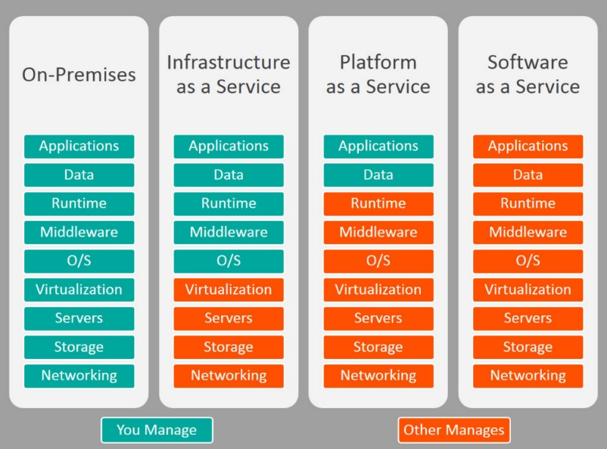
AWS | is a service cloud platform
Amazon EC2 | Amazon EC2 is a web service that provides secure, resizable compute capacity in the cloud. It is designed to make web-scale cloud computing easier for developers. | Three Categories of Cloud Computing
VPC | It is a service that allows AWS customers to access their services in a customized private network. We can find this service under Networking & Content Delivery menu of AWS dashboard.This private cloud from Amazon is known to be one of the most secure private cloud services available now. Here, users will have absolute control of their private cloud. They can choose their own IP range, can configure network gateways and create subnets. | IAAS - AWS, Rackspace, Digital Ocean PAAS -OpenShift, Windows Azure SAAS - Facebook, Gmail
 | VPC is a private network space within the Amazon cloud that enables you to launch AWS resources. It’s the actual networking layer of Amazon EC2. Each private network you create on the cloud will be logically separated from other virtual networks in the cloud. | Limit : You can create 5 VPCs per region per VPC 200 subnets , 5 elastic IP addresses per region. The number of Internet, VPN & NAT gateways per region is also set to 5.
Components of VPC | The foremost element in Amazon VPC architecture is VPC network Second is Subnet , Internet Gateway, NAT Gateway and Route table
VPC | A logically isolated virtual network in the AWS cloud. You define a VPC’s IP address space from a range you select.
Subnet | A segment of a VPC’s IP address range where you can place groups of isolated resources. | Private IP address | Public IP address | Elastic IP address
Internet Gateway | An Internet Gateway is highly available, horizontally scaled VPC component. Gateways establish coherent connections between your Amazon VPC network and the internet. There can be only one gateway associated with each VPC. | Private IP addresses are IP addresses that aren’t accessible over the internet.If you want to communicate between instances in the same network, private IPs are used. | When you launch a VPC instance, one public IP will automatically assign to the instance.Every time you restart and stop the instance, AWS will allocate a new public IP to the instance. | elastic IP is persistent. It’ll be associated with your AWS account until you terminate it.
NAT Gateway | NAT is Network Address Translation. gateway to enable instances in a private subnet to connect to the internet or other AWS services, but prevent the internet from initiating a connection with those instances |  |  | Elastic IP Address is public and static IP address based on IPv4 protocol. It is designed for dynamic cloud computing.
Security Group | A security group acts as a virtual firewall for your instance to control inbound and outbound traffic. It will manage the traffic for the instances. security groups can be located in both VPC and EC2 sections. By default, all security groups allow outbound traffic. In the same way, you can define rules to allow inbound traffic. But one thing- you are only allowed to create “allow” rules rather setting up denial rules to restrict security permissions. Also, it’s possible to change the rules of a security group irrespective of the time and the process of changing rules will take place instantly. | VPC Peering: Networking connection between two VPs in the same network. It’s possible to create a VPC peering connection between your own VPs or VPC with another AWS account within the same region. The main intention behind such a connection is to facilitate data transfer across multiple VPNs spanning different AWS accounts
NACL | A network access control list (ACL) is an optional layer of security for your VPC that acts as a firewall for controlling traffic in and out of one or more subnets.
Route Table | A route table contains a set of rules, called routes, that are used to determine where network traffic is directed.
ELB | ELB is a load balancer service for AWS deployments. A load balancer divides the amount of work a computer has to do into more computers and get it done faster. In the same way here ELB distributes incoming application traffic into multiple targets like EC2 instances. There are 3 types of ELBs to ensure scalability, availability, and security for ensuring your applications as fault tolerant. These are classic, network, and application load balancers. Network and application load balancers can be used in conjunction with VPC and these can route traffics to targets within VPCs.
CIDR Routing in VPC | Classless inter-domain routing (CIDR) is a set of Internet protocol (IP) standards that are used to allocate IP addresses for networks and individual devices. With CIDR, a single IP address can be used to pick many unique IP addresses. In VPC, CIDR block size can be from /16 to /28 in case of IPv4.
Auto Scaling | Autoscaling is a feature of AWS which allows you to configure and automatically provision and spinup new instances without the need for your intervention (involvement). You can do this by setting thresholds and metrics to monitor. When those thresholds are crossed a new instance of your choosing will be spun up, configured, and rolled into the load balancer pool. Voila you’ve scaled horizontally without any operator intervention! | Advantages of Autoscaling: Offers fault tolerance Better availability Better cost management
lifecycle hooks in Autoscaling | Lifecycle hooks are used for autoscaling to put an additional wait time to a scale in or scale out event.
VPC Creation | The components needed to create a VPC on AWS are described below: The creation of an empty VPC resource with an associated CIDR. A public subnet in which components will be accessible from the internet. This subnet requires an associated IG. A private subnet that can access the internet through a NAT gateway. The NAT gateway is positioned inside the public subnet. A route table for each subnet. Two routes: One routing traffic through the IG and one routing through the NAT gateway, assigned to their respective route tables. The route tables are then associated to their respective subnets. A security group then controls which inbound and outbound traffic is allowed. This methodology is conceptually similar to physical infrastructure.

